brain_cortex_generation
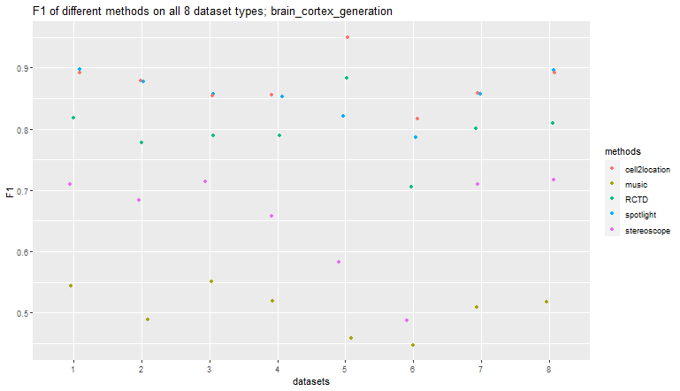
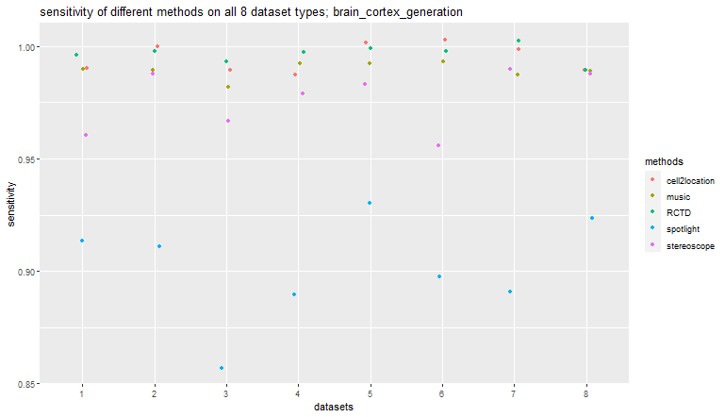
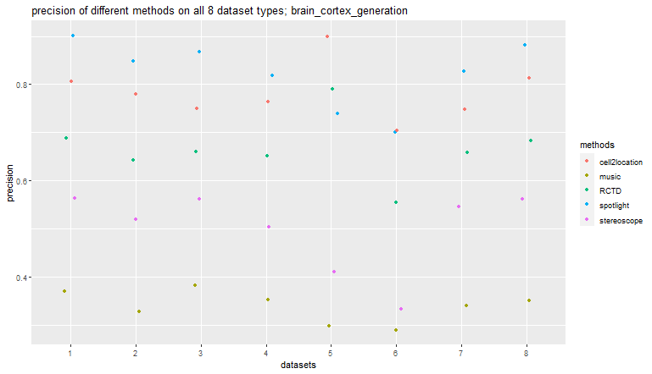
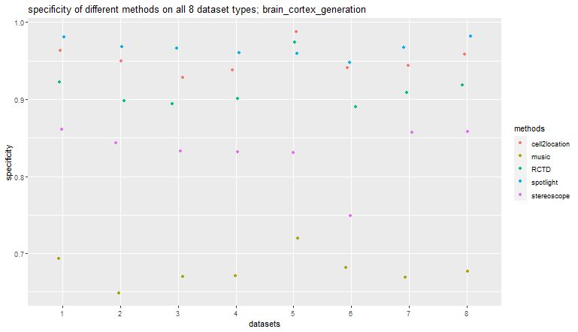
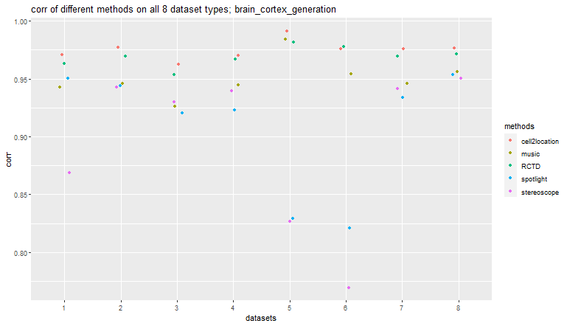
artificial_uniform_distinct
 | spotlight | music | cell2location | RCTD | stereoscope
corr | 0.95013856701 | 0.94290037362 | 0.97088230723 | 0.96300967067 | 0.86908483308
RMSE | 1.292694762 | 1.3859860719 | 0.98112530882 | 1.0933122655 | 2.1750538079
accuracy | 0.97 | 0.74 | 0.96 | 0.93 | 0.88
sensitivity | 0.91 | 0.99 | 0.99 | 1 | 0.96
specificity | 0.98 | 0.69 | 0.96 | 0.92 | 0.86
precision | 0.9 | 0.37 | 0.81 | 0.69 | 0.56
F1 | 0.9 | 0.54 | 0.89 | 0.82 | 0.71
artificial_diverse_distinct
 | spotlight | music | cell2location | RCTD | stereoscope
corr | 0.94395067619 | 0.94584053907 | 0.97749536024 | 0.96972683453 | 0.94281717146
RMSE | 1.5350245173 | 1.4945036264 | 0.94295575452 | 1.0781119573 | 1.4987540876
accuracy | 0.96 | 0.7 | 0.96 | 0.92 | 0.86
sensitivity | 0.91 | 0.99 | 1 | 1 | 0.99
specificity | 0.97 | 0.65 | 0.95 | 0.9 | 0.84
precision | 0.85 | 0.33 | 0.78 | 0.64 | 0.52
F1 | 0.88 | 0.49 | 0.88 | 0.78 | 0.68
artificial_uniform_overlap
 | spotlight | music | cell2location | RCTD | stereoscope
corr | 0.92036016791 | 0.92594822243 | 0.96279366722 | 0.95384327515 | 0.92994253117
RMSE | 1.5961460096 | 1.4943438734 | 1.0596685211 | 1.1654621595 | 1.449742043
accuracy | 0.95 | 0.72 | 0.94 | 0.91 | 0.86
sensitivity | 0.86 | 0.98 | 0.99 | 0.99 | 0.97
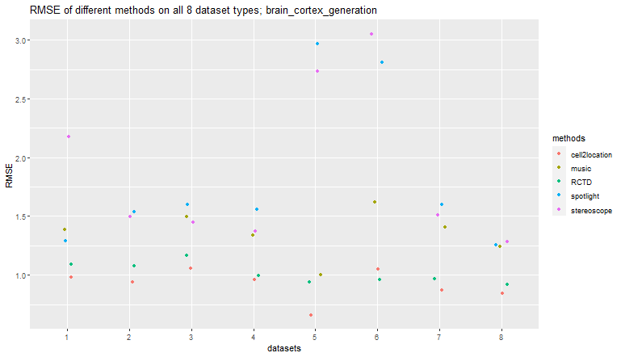
specificity | 0.97 | 0.67 | 0.93 | 0.89 | 0.83
precision | 0.87 | 0.38 | 0.75 | 0.66 | 0.56
F1 | 0.86 | 0.55 | 0.85 | 0.79 | 0.71
artificial_diverse_overlap
 | spotlight | music | cell2location | RCTD | stereoscope
corr | 0.92302552396 | 0.94496269661 | 0.97018905271 | 0.96680483384 | 0.93957720471
RMSE | 1.5573975623 | 1.3376845441 | 0.95940995004 | 0.99273519752 | 1.3695640017
accuracy | 0.95 | 0.72 | 0.95 | 0.92 | 0.85
sensitivity | 0.89 | 0.99 | 0.99 | 1 | 0.98
specificity | 0.96 | 0.67 | 0.94 | 0.9 | 0.83
precision | 0.82 | 0.35 | 0.76 | 0.65 | 0.5
F1 | 0.85 | 0.52 | 0.86 | 0.79 | 0.66
artificial_dominant_celltype_diverse
 | spotlight | music | cell2location | RCTD | stereoscope
corr | 0.82917295589 | 0.98405925556 | 0.99132718769 | 0.98147338388 | 0.82649768267
RMSE | 2.9633552147 | 1.0047179854 | 0.65851172013 | 0.93682217336 | 2.7359609163
accuracy | 0.96 | 0.75 | 0.99 | 0.97 | 0.85
sensitivity | 0.93 | 0.99 | 1 | 1 | 0.98
specificity | 0.96 | 0.72 | 0.99 | 0.97 | 0.83
precision | 0.74 | 0.3 | 0.9 | 0.79 | 0.41
F1 | 0.82 | 0.46 | 0.95 | 0.88 | 0.58
artificial_partially_dominant_celltype_diverse
 | spotlight | music | cell2location | RCTD | stereoscope
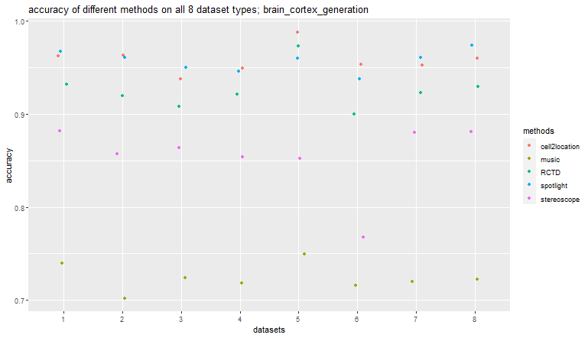
corr | 0.82085396104 | 0.95403610033 | 0.97591476003 | 0.97786894643 | 0.76935307171
RMSE | 2.8102864776 | 1.6233614266 | 1.0493673194 | 0.96164577238 | 3.0499475731
accuracy | 0.94 | 0.72 | 0.95 | 0.9 | 0.77
sensitivity | 0.9 | 0.99 | 1 | 1 | 0.96
specificity | 0.95 | 0.68 | 0.94 | 0.89 | 0.75
precision | 0.7 | 0.29 | 0.7 | 0.55 | 0.33
F1 | 0.79 | 0.45 | 0.82 | 0.71 | 0.49
artificial_dominant_rare_celltype_diverse
 | spotlight | music | cell2location | RCTD | stereoscope
corr | 0.93381138008 | 0.94603667637 | 0.97619000462 | 0.96965852422 | 0.94167882063
RMSE | 1.5962618454 | 1.4083250609 | 0.87118912419 | 0.96461279223 | 1.512805598
accuracy | 0.96 | 0.72 | 0.95 | 0.92 | 0.88
sensitivity | 0.89 | 0.99 | 1 | 1 | 0.99
specificity | 0.97 | 0.67 | 0.94 | 0.91 | 0.86
precision | 0.83 | 0.34 | 0.75 | 0.66 | 0.55
F1 | 0.86 | 0.51 | 0.86 | 0.8 | 0.71
artificial_regional_rare_celltype_diverse
 | spotlight | music | cell2location | RCTD | stereoscope
corr | 0.95367750763 | 0.95593074732 | 0.97668164877 | 0.97122214076 | 0.95039421516
RMSE | 1.2570061706 | 1.243285751 | 0.84639304807 | 0.9200382327 | 1.2859671135
accuracy | 0.97 | 0.72 | 0.96 | 0.93 | 0.88
sensitivity | 0.92 | 0.99 | 0.99 | 0.99 | 0.99
specificity | 0.98 | 0.68 | 0.96 | 0.92 | 0.86
precision | 0.88 | 0.35 | 0.81 | 0.68 | 0.56
F1 | 0.9 | 0.52 | 0.89 | 0.81 | 0.72

cerebellum_cell_generation
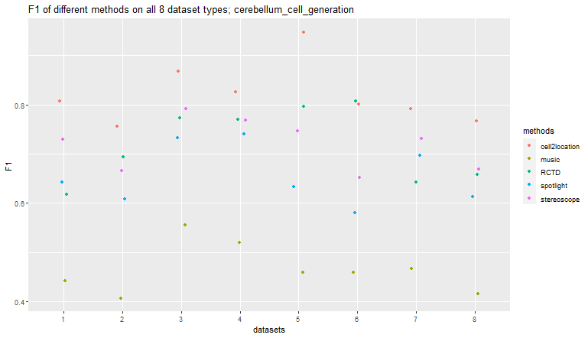
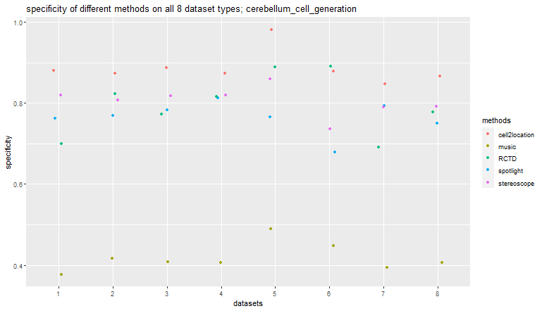
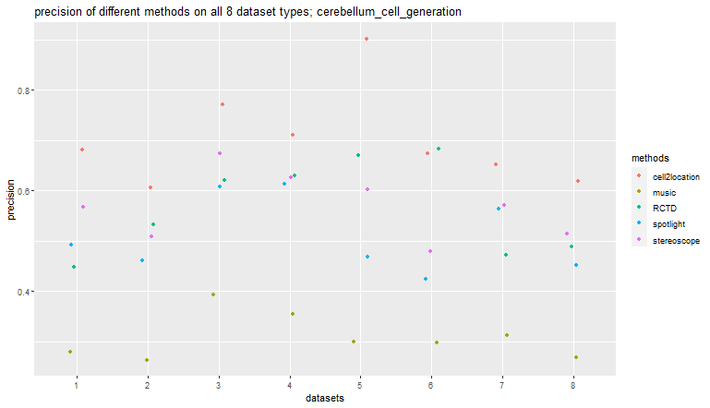
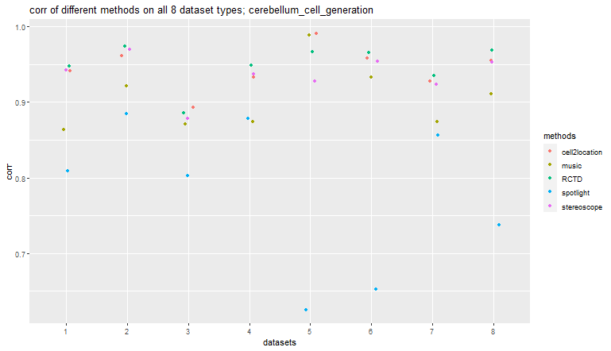
artificial_uniform_distinct
 | spotlight | music | cell2location | RCTD | stereoscope
corr | 0.80949803032 | 0.86336192993 | 0.94179477563 | 0.94736987037 | 0.94261552006
RMSE | 5.0788349157 | 4.3849295762 | 2.4883542675 | 2.5072076375 | 2.4602324507
accuracy | 0.8 | 0.5 | 0.91 | 0.76 | 0.85
sensitivity | 0.94 | 1 | 1 | 1 | 1
specificity | 0.76 | 0.38 | 0.88 | 0.7 | 0.82
precision | 0.49 | 0.28 | 0.68 | 0.45 | 0.57
F1 | 0.64 | 0.44 | 0.81 | 0.62 | 0.73
artificial_diverse_distinct
 | spotlight | music | cell2location | RCTD | stereoscope
corr | 0.8850269739 | 0.92152048103 | 0.96119077902 | 0.97408730688 | 0.97021512269
RMSE | 4.3621721446 | 2.9896738309 | 1.9866819775 | 1.7130661614 | 1.9306526192
accuracy | 0.8 | 0.52 | 0.89 | 0.85 | 0.84
sensitivity | 0.92 | 1 | 1 | 1 | 0.99
specificity | 0.77 | 0.42 | 0.87 | 0.82 | 0.81
precision | 0.46 | 0.26 | 0.61 | 0.53 | 0.51
F1 | 0.61 | 0.41 | 0.76 | 0.69 | 0.67
artificial_uniform_overlap
 | spotlight | music | cell2location | RCTD | stereoscope
corr | 0.80295330291 | 0.87130149654 | 0.89283599697 | 0.88565592548 | 0.87814850715
RMSE | 3.8941739497 | 2.9440954224 | 2.686248749 | 2.9428965793 | 3.0965336648
accuracy | 0.81 | 0.57 | 0.92 | 0.83 | 0.86
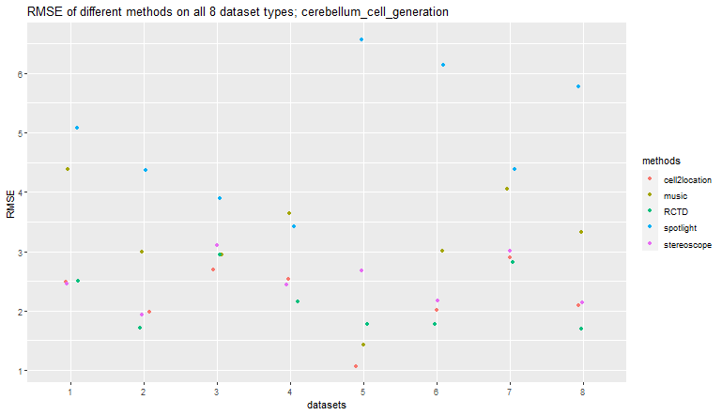
sensitivity | 0.91 | 0.99 | 0.99 | 1 | 0.97
specificity | 0.78 | 0.41 | 0.89 | 0.77 | 0.82
precision | 0.61 | 0.39 | 0.77 | 0.62 | 0.67
F1 | 0.73 | 0.56 | 0.87 | 0.77 | 0.79
artificial_diverse_overlap
 | spotlight | music | cell2location | RCTD | stereoscope
corr | 0.87833242764 | 0.87390027031 | 0.93259956594 | 0.94896581905 | 0.93738514777
RMSE | 3.4164701197 | 3.6461322191 | 2.5341543107 | 2.1575263306 | 2.4323501738
accuracy | 0.84 | 0.55 | 0.9 | 0.86 | 0.86
sensitivity | 0.93 | 0.99 | 1 | 1 | 0.99
specificity | 0.81 | 0.41 | 0.87 | 0.82 | 0.82
precision | 0.61 | 0.35 | 0.71 | 0.63 | 0.63
F1 | 0.74 | 0.52 | 0.83 | 0.77 | 0.77
artificial_dominant_celltype_diverse
 | spotlight | music | cell2location | RCTD | stereoscope
corr | 0.62506908237 | 0.98815838519 | 0.99090907617 | 0.96700029111 | 0.92722126512
RMSE | 6.5644625505 | 1.4329113572 | 1.0661432508 | 1.7806682831 | 2.6760631299
accuracy | 0.8 | 0.58 | 0.98 | 0.91 | 0.88
sensitivity | 0.96 | 1 | 1 | 1 | 0.99
specificity | 0.77 | 0.49 | 0.98 | 0.89 | 0.86
precision | 0.47 | 0.3 | 0.9 | 0.67 | 0.6
F1 | 0.63 | 0.46 | 0.95 | 0.8 | 0.75
artificial_partially_dominant_celltype_diverse
 | spotlight | music | cell2location | RCTD | stereoscope
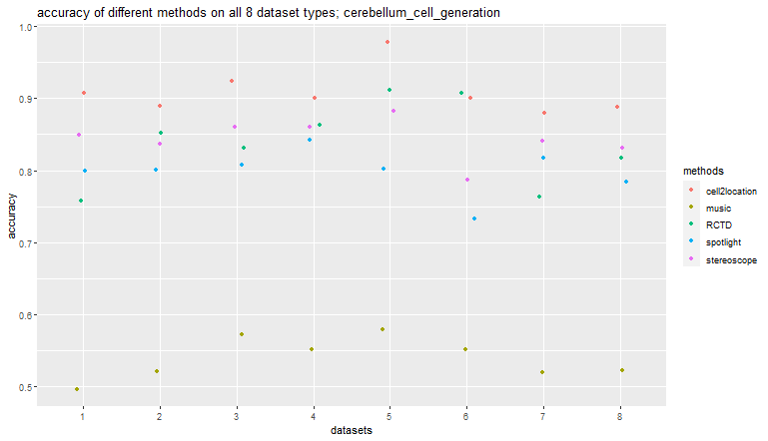
corr | 0.65233403274 | 0.93340559445 | 0.95871013192 | 0.96513395527 | 0.95357021167
RMSE | 6.129656799 | 3.0108411354 | 2.012431663 | 1.7771310016 | 2.1785480924
accuracy | 0.73 | 0.55 | 0.9 | 0.91 | 0.79
sensitivity | 0.93 | 0.99 | 0.99 | 0.99 | 0.99
specificity | 0.68 | 0.45 | 0.88 | 0.89 | 0.74
precision | 0.42 | 0.3 | 0.67 | 0.68 | 0.48
F1 | 0.58 | 0.46 | 0.8 | 0.81 | 0.65
artificial_dominant_rare_celltype_diverse
 | spotlight | music | cell2location | RCTD | stereoscope
corr | 0.85662510204 | 0.87420322705 | 0.9279584974 | 0.93477945626 | 0.92318617306
RMSE | 4.3895430913 | 4.0485468692 | 2.8919719334 | 2.8130125407 | 3.0122798172
accuracy | 0.82 | 0.52 | 0.88 | 0.76 | 0.84
sensitivity | 0.95 | 1 | 1 | 1 | 1
specificity | 0.79 | 0.39 | 0.85 | 0.69 | 0.79
precision | 0.56 | 0.31 | 0.65 | 0.47 | 0.57
F1 | 0.7 | 0.47 | 0.79 | 0.64 | 0.73
artificial_regional_rare_celltype_diverse
 | spotlight | music | cell2location | RCTD | stereoscope
corr | 0.73727274733 | 0.9104382892 | 0.95503969337 | 0.96908459902 | 0.95340074808
RMSE | 5.7798548589 | 3.3209810498 | 2.0984209949 | 1.6933303133 | 2.139556631
accuracy | 0.78 | 0.52 | 0.89 | 0.82 | 0.83
sensitivity | 0.95 | 0.99 | 1 | 1 | 0.99
specificity | 0.75 | 0.41 | 0.87 | 0.78 | 0.79
precision | 0.45 | 0.27 | 0.62 | 0.49 | 0.51
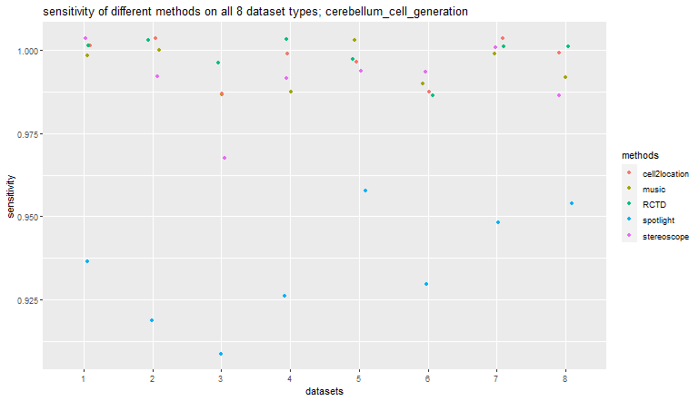
F1 | 0.61 | 0.42 | 0.77 | 0.66 | 0.67

cerebellum_nucleus_generation
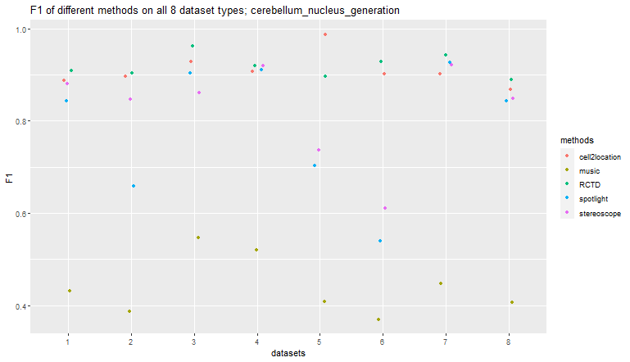
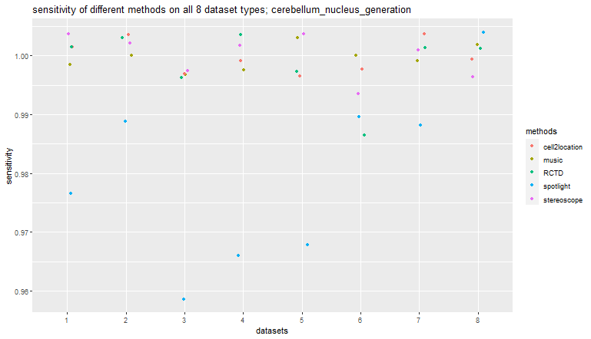
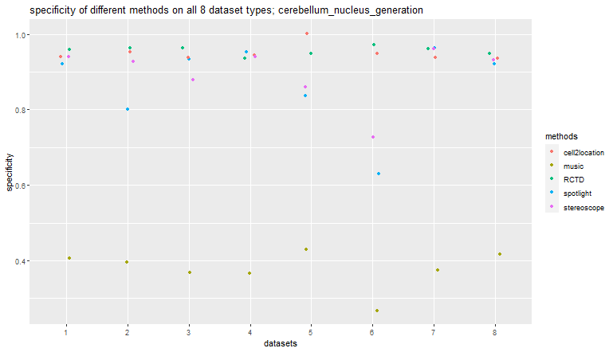
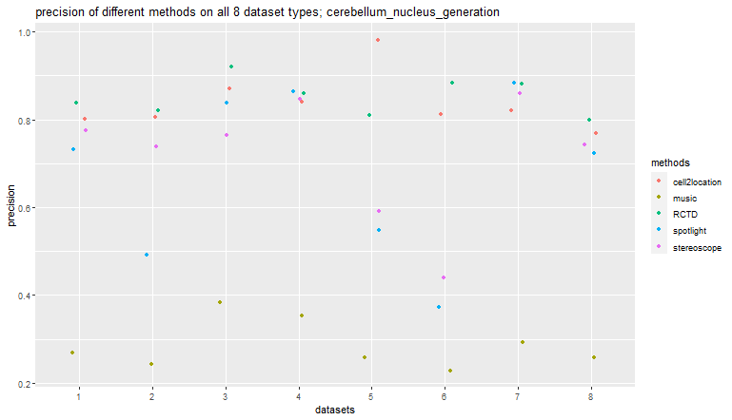
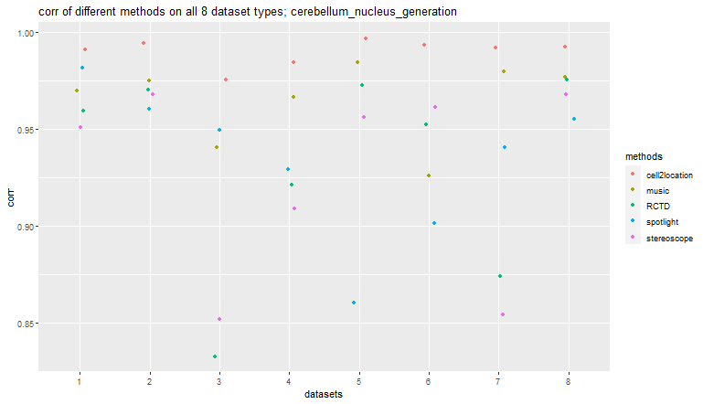
artificial_uniform_distinct
 | spotlight | music | cell2location | RCTD | stereoscope
corr | 0.9817269515 | 0.96992253205 | 0.99099512 | 0.95937387646 | 0.95099121515
RMSE | 1.6497109082 | 2.0170591935 | 0.78713737884 | 1.7277184877 | 1.9457789051
accuracy | 0.93 | 0.52 | 0.95 | 0.97 | 0.95
sensitivity | 0.98 | 1 | 1 | 1 | 1
specificity | 0.92 | 0.41 | 0.94 | 0.96 | 0.94
precision | 0.73 | 0.27 | 0.8 | 0.84 | 0.78
F1 | 0.84 | 0.43 | 0.89 | 0.91 | 0.88
artificial_diverse_distinct
 | spotlight | music | cell2location | RCTD | stereoscope
corr | 0.96059168515 | 0.974933921 | 0.99459981074 | 0.97055257561 | 0.96804994306
RMSE | 3.0035388815 | 2.1887385941 | 0.59919888982 | 1.6922755931 | 1.8354988723
accuracy | 0.83 | 0.5 | 0.96 | 0.97 | 0.94
sensitivity | 0.99 | 1 | 1 | 1 | 1
specificity | 0.8 | 0.4 | 0.95 | 0.96 | 0.93
precision | 0.49 | 0.24 | 0.81 | 0.82 | 0.74
F1 | 0.66 | 0.39 | 0.9 | 0.9 | 0.85
artificial_uniform_overlap
 | spotlight | music | cell2location | RCTD | stereoscope
corr | 0.9494952865 | 0.94058998763 | 0.97558869908 | 0.8324812914 | 0.85200490923
RMSE | 2.0050643731 | 2.29861544 | 1.3055680316 | 3.7754094394 | 3.4981936896
accuracy | 0.94 | 0.54 | 0.96 | 0.97 | 0.91
sensitivity | 0.96 | 1 | 1 | 1 | 1
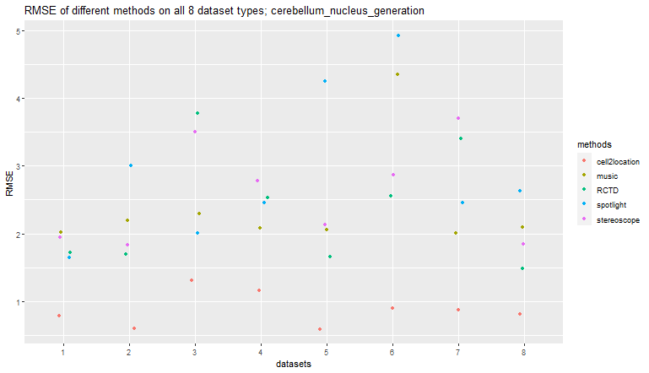
specificity | 0.93 | 0.37 | 0.94 | 0.96 | 0.88
precision | 0.84 | 0.38 | 0.87 | 0.92 | 0.76
F1 | 0.9 | 0.55 | 0.93 | 0.96 | 0.86
artificial_diverse_overlap
 | spotlight | music | cell2location | RCTD | stereoscope
corr | 0.92919634756 | 0.96676154383 | 0.98450163768 | 0.92127701245 | 0.90897940968
RMSE | 2.4552678861 | 2.0852687419 | 1.1663496438 | 2.5274996507 | 2.7759503149
accuracy | 0.95 | 0.53 | 0.95 | 0.96 | 0.95
sensitivity | 0.97 | 1 | 1 | 1 | 1
specificity | 0.95 | 0.37 | 0.94 | 0.94 | 0.94
precision | 0.86 | 0.35 | 0.84 | 0.86 | 0.85
F1 | 0.91 | 0.52 | 0.91 | 0.92 | 0.92
artificial_dominant_celltype_diverse
 | spotlight | music | cell2location | RCTD | stereoscope
corr | 0.86039850914 | 0.98438128716 | 0.99692531578 | 0.97295993203 | 0.95641111267
RMSE | 4.2431869548 | 2.052880292 | 0.58909805454 | 1.662253467 | 2.1281232527
accuracy | 0.86 | 0.53 | 1 | 0.96 | 0.88
sensitivity | 0.97 | 1 | 1 | 1 | 1
specificity | 0.84 | 0.43 | 1 | 0.95 | 0.86
precision | 0.55 | 0.26 | 0.98 | 0.81 | 0.59
F1 | 0.7 | 0.41 | 0.99 | 0.9 | 0.74
artificial_partially_dominant_celltype_diverse
 | spotlight | music | cell2location | RCTD | stereoscope
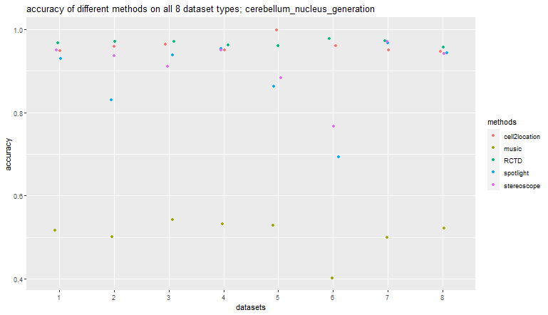
corr | 0.90143834497 | 0.92615402386 | 0.9937264142 | 0.95251184509 | 0.96153045657
RMSE | 4.9226501803 | 4.3471389514 | 0.90384127523 | 2.5596109066 | 2.870915063
accuracy | 0.69 | 0.4 | 0.96 | 0.98 | 0.77
sensitivity | 0.99 | 1 | 1 | 0.99 | 0.99
specificity | 0.63 | 0.27 | 0.95 | 0.97 | 0.73
precision | 0.37 | 0.23 | 0.81 | 0.88 | 0.44
F1 | 0.54 | 0.37 | 0.9 | 0.93 | 0.61
artificial_dominant_rare_celltype_diverse
 | spotlight | music | cell2location | RCTD | stereoscope
corr | 0.94080037295 | 0.97968578873 | 0.99192061298 | 0.87381017821 | 0.85400877998
RMSE | 2.4530876602 | 2.0131204006 | 0.86983411368 | 3.3989996323 | 3.6988932735
accuracy | 0.97 | 0.5 | 0.95 | 0.97 | 0.97
sensitivity | 0.99 | 1 | 1 | 1 | 1
specificity | 0.96 | 0.37 | 0.94 | 0.96 | 0.96
precision | 0.88 | 0.29 | 0.82 | 0.88 | 0.86
F1 | 0.93 | 0.45 | 0.9 | 0.94 | 0.92
artificial_regional_rare_celltype_diverse
 | spotlight | music | cell2location | RCTD | stereoscope
corr | 0.9553987282 | 0.97719892287 | 0.99257440162 | 0.97542279467 | 0.9679556693
RMSE | 2.6329059033 | 2.100450609 | 0.81827910653 | 1.4894161401 | 1.8442431631
accuracy | 0.94 | 0.52 | 0.95 | 0.96 | 0.94
sensitivity | 1 | 1 | 1 | 1 | 1
specificity | 0.92 | 0.42 | 0.94 | 0.95 | 0.93
precision | 0.72 | 0.26 | 0.77 | 0.8 | 0.74
F1 | 0.84 | 0.41 | 0.87 | 0.89 | 0.85

hippocampus_generation
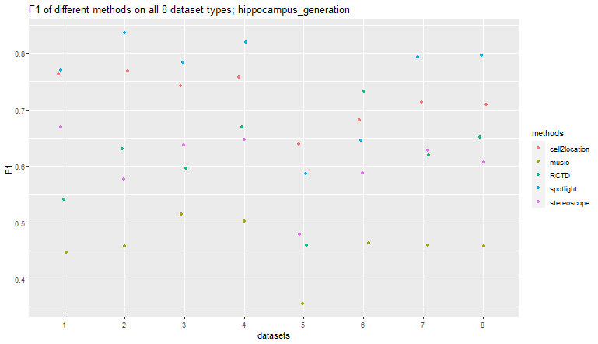
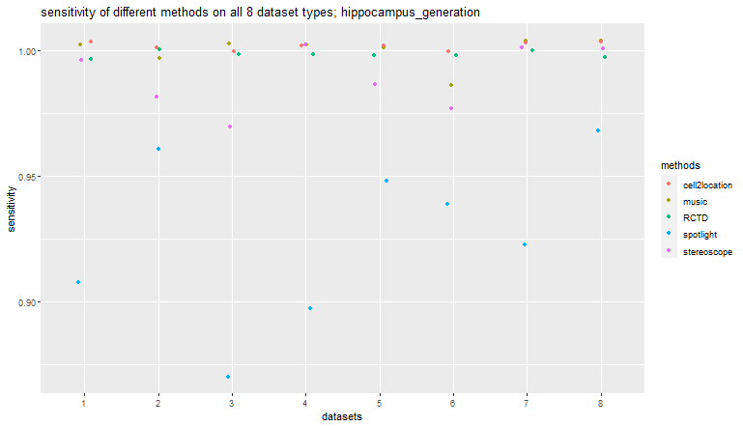
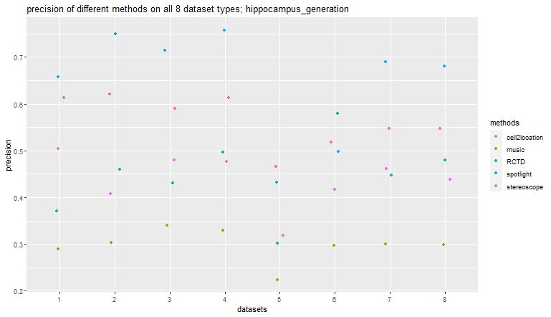
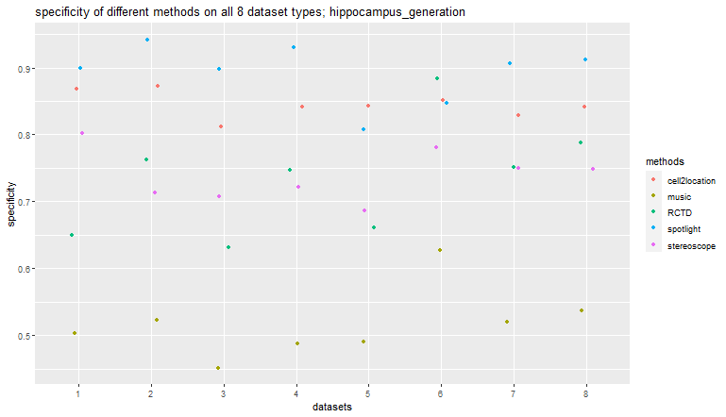
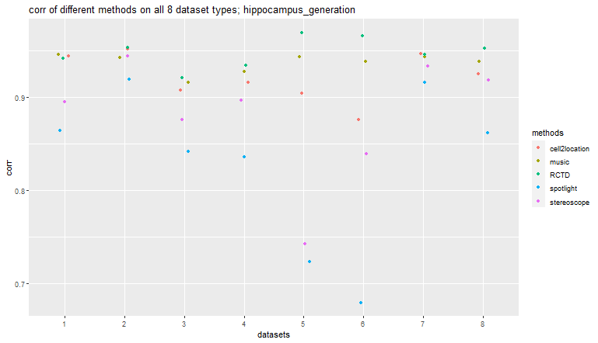
artificial_uniform_distinct
 | spotlight | music | cell2location | RCTD | stereoscope
corr | 0.86450728639 | 0.94573441011 | 0.9446157741 | 0.94196940224 | 0.89511367641
RMSE | 3.0810941746 | 2.0553309678 | 1.7120919284 | 2.0589254163 | 2.901476769
accuracy | 0.91 | 0.59 | 0.89 | 0.71 | 0.83
sensitivity | 0.91 | 1 | 1 | 1 | 1
specificity | 0.9 | 0.5 | 0.87 | 0.65 | 0.8
precision | 0.66 | 0.29 | 0.61 | 0.37 | 0.5
F1 | 0.77 | 0.45 | 0.76 | 0.54 | 0.67
artificial_diverse_distinct
 | spotlight | music | cell2location | RCTD | stereoscope
corr | 0.91911158427 | 0.94274210101 | 0.95232970777 | 0.95381203137 | 0.9443500622
RMSE | 2.2004304852 | 1.9788576069 | 1.6610924544 | 1.6801283497 | 1.9599195432
accuracy | 0.94 | 0.6 | 0.89 | 0.8 | 0.76
sensitivity | 0.96 | 1 | 1 | 1 | 0.98
specificity | 0.94 | 0.52 | 0.87 | 0.76 | 0.71
precision | 0.75 | 0.3 | 0.62 | 0.46 | 0.41
F1 | 0.84 | 0.46 | 0.77 | 0.63 | 0.58
artificial_uniform_overlap
 | spotlight | music | cell2location | RCTD | stereoscope
corr | 0.84133276488 | 0.91591266536 | 0.90727175412 | 0.92080693492 | 0.87557589984
RMSE | 2.543498438 | 1.9300123707 | 1.9411170656 | 1.8454896773 | 2.2491631972
accuracy | 0.89 | 0.57 | 0.85 | 0.71 | 0.77
sensitivity | 0.87 | 1 | 1 | 1 | 0.97
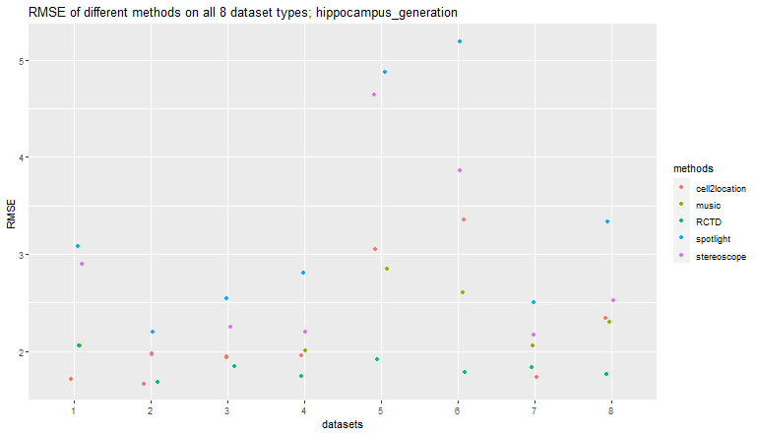
specificity | 0.9 | 0.45 | 0.81 | 0.63 | 0.71
precision | 0.71 | 0.34 | 0.59 | 0.43 | 0.48
F1 | 0.78 | 0.51 | 0.74 | 0.6 | 0.64
artificial_diverse_overlap
 | spotlight | music | cell2location | RCTD | stereoscope
corr | 0.83564342993 | 0.92764793004 | 0.91577727224 | 0.93409133652 | 0.89711557275
RMSE | 2.8093404702 | 2.0038543339 | 1.9577172022 | 1.7464904224 | 2.2011338051
accuracy | 0.92 | 0.59 | 0.87 | 0.8 | 0.78
sensitivity | 0.9 | 1 | 1 | 1 | 1
specificity | 0.93 | 0.49 | 0.84 | 0.75 | 0.72
precision | 0.76 | 0.33 | 0.61 | 0.5 | 0.48
F1 | 0.82 | 0.5 | 0.76 | 0.67 | 0.65
artificial_dominant_celltype_diverse
 | spotlight | music | cell2location | RCTD | stereoscope
corr | 0.72322727887 | 0.94353840338 | 0.90436347823 | 0.96958621636 | 0.74220702268
RMSE | 4.8747898171 | 2.8511986014 | 3.0462857148 | 1.9093414833 | 4.6427667333
accuracy | 0.83 | 0.55 | 0.86 | 0.7 | 0.73
sensitivity | 0.95 | 1 | 1 | 1 | 0.99
specificity | 0.81 | 0.49 | 0.84 | 0.66 | 0.69
precision | 0.43 | 0.22 | 0.47 | 0.3 | 0.32
F1 | 0.59 | 0.36 | 0.64 | 0.46 | 0.48
artificial_partially_dominant_celltype_diverse
 | spotlight | music | cell2location | RCTD | stereoscope
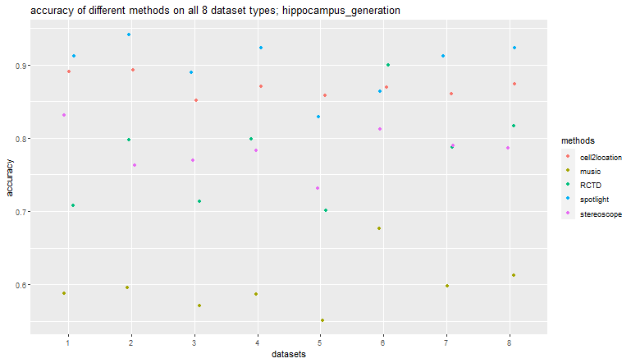
corr | 0.67897798865 | 0.93898740109 | 0.87575143617 | 0.96654042699 | 0.83932181179
RMSE | 5.1905291311 | 2.6054580655 | 3.3584063095 | 1.7810134468 | 3.8594741762
accuracy | 0.86 | 0.68 | 0.87 | 0.9 | 0.81
sensitivity | 0.94 | 0.99 | 1 | 1 | 0.98
specificity | 0.85 | 0.63 | 0.85 | 0.88 | 0.78
precision | 0.5 | 0.3 | 0.52 | 0.58 | 0.42
F1 | 0.65 | 0.46 | 0.68 | 0.73 | 0.59
artificial_dominant_rare_celltype_diverse
 | spotlight | music | cell2location | RCTD | stereoscope
corr | 0.91639300386 | 0.94397237434 | 0.94697984679 | 0.94576498482 | 0.93384429586
RMSE | 2.5047672372 | 2.057493479 | 1.73481188 | 1.8340303431 | 2.1696750711
accuracy | 0.91 | 0.6 | 0.86 | 0.79 | 0.79
sensitivity | 0.92 | 1 | 1 | 1 | 1
specificity | 0.91 | 0.52 | 0.83 | 0.75 | 0.75
precision | 0.69 | 0.3 | 0.55 | 0.45 | 0.46
F1 | 0.79 | 0.46 | 0.71 | 0.62 | 0.63
artificial_regional_rare_celltype_diverse
 | spotlight | music | cell2location | RCTD | stereoscope
corr | 0.86188509924 | 0.93878220414 | 0.92516468765 | 0.95273621013 | 0.9186982631
RMSE | 3.3358710124 | 2.2949104754 | 2.3395073181 | 1.7601333009 | 2.5190350448
accuracy | 0.92 | 0.61 | 0.87 | 0.82 | 0.79
sensitivity | 0.97 | 1 | 1 | 1 | 1
specificity | 0.91 | 0.54 | 0.84 | 0.79 | 0.75
precision | 0.68 | 0.3 | 0.55 | 0.48 | 0.44
F1 | 0.8 | 0.46 | 0.71 | 0.65 | 0.61

kidney_generation
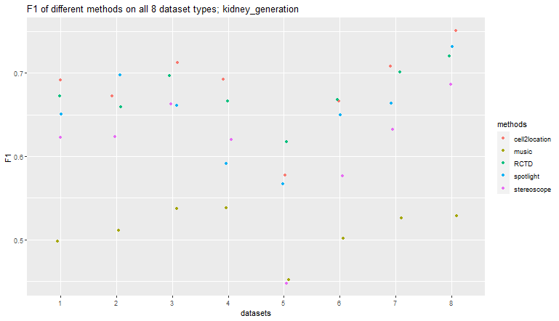
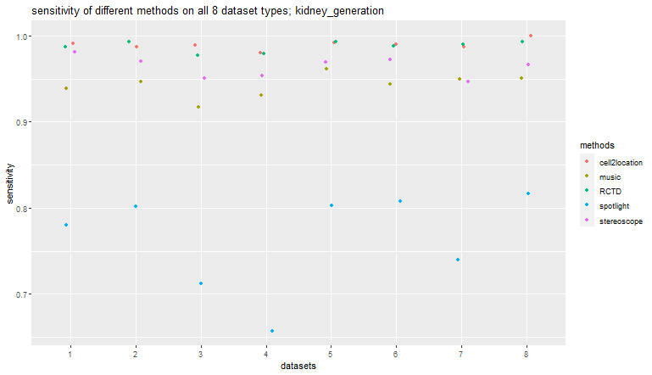
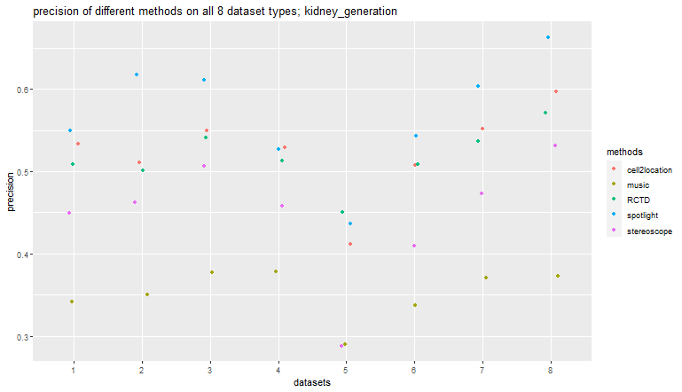
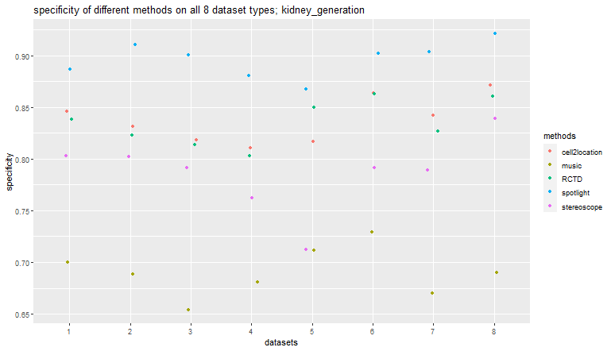
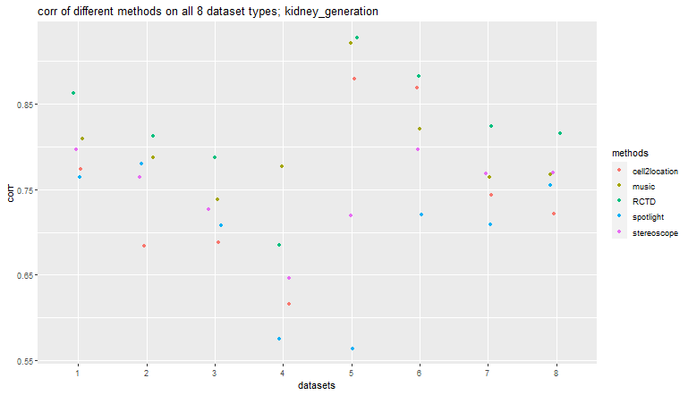
artificial_uniform_distinct
 | spotlight | music | cell2location | RCTD | stereoscope
corr | 0.76369178272 | 0.80854489766 | 0.77374564034 | 0.86252116509 | 0.79687777873
RMSE | 3.309171154 | 2.8138591632 | 2.7494617397 | 2.156578178 | 2.6754896047
accuracy | 0.88 | 0.73 | 0.87 | 0.86 | 0.83
sensitivity | 0.78 | 0.94 | 0.99 | 0.99 | 0.98
specificity | 0.89 | 0.7 | 0.85 | 0.84 | 0.8
precision | 0.55 | 0.34 | 0.53 | 0.51 | 0.45
F1 | 0.65 | 0.5 | 0.69 | 0.67 | 0.62
artificial_diverse_distinct
 | spotlight | music | cell2location | RCTD | stereoscope
corr | 0.77963098977 | 0.78683469099 | 0.68399570445 | 0.81159966136 | 0.76378112903
RMSE | 3.3084703688 | 3.1361265427 | 3.8692436816 | 2.9737665838 | 3.3727920343
accuracy | 0.9 | 0.73 | 0.85 | 0.85 | 0.82
sensitivity | 0.8 | 0.95 | 0.99 | 0.99 | 0.97
specificity | 0.91 | 0.69 | 0.83 | 0.82 | 0.8
precision | 0.62 | 0.35 | 0.51 | 0.5 | 0.46
F1 | 0.7 | 0.51 | 0.67 | 0.66 | 0.62
artificial_uniform_overlap
 | spotlight | music | cell2location | RCTD | stereoscope
corr | 0.70805757144 | 0.73810126019 | 0.688196396 | 0.78761848741 | 0.72667911426
RMSE | 2.9621496673 | 2.7241818861 | 2.9785293809 | 2.4726255822 | 2.8780306968
accuracy | 0.87 | 0.7 | 0.85 | 0.84 | 0.82
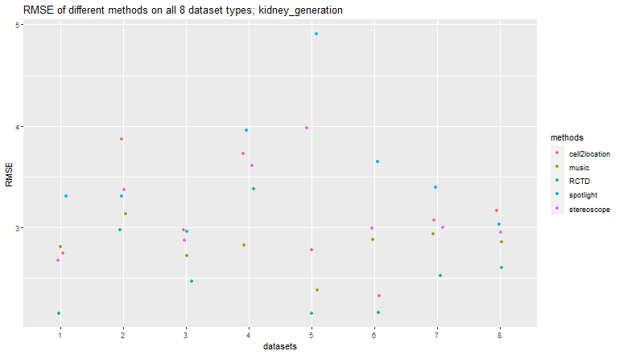
sensitivity | 0.71 | 0.92 | 0.99 | 0.98 | 0.95
specificity | 0.9 | 0.65 | 0.82 | 0.81 | 0.79
precision | 0.61 | 0.38 | 0.55 | 0.54 | 0.51
F1 | 0.66 | 0.54 | 0.71 | 0.7 | 0.66
artificial_diverse_overlap
 | spotlight | music | cell2location | RCTD | stereoscope
corr | 0.57506169243 | 0.77698305346 | 0.615746322 | 0.68450483186 | 0.64653247645
RMSE | 3.9604433317 | 2.8307516348 | 3.7282354961 | 3.383505997 | 3.6146893486
accuracy | 0.84 | 0.72 | 0.84 | 0.83 | 0.79
sensitivity | 0.66 | 0.93 | 0.98 | 0.98 | 0.95
specificity | 0.88 | 0.68 | 0.81 | 0.8 | 0.76
precision | 0.53 | 0.38 | 0.53 | 0.51 | 0.46
F1 | 0.59 | 0.54 | 0.69 | 0.67 | 0.62
artificial_dominant_celltype_diverse
 | spotlight | music | cell2location | RCTD | stereoscope
corr | 0.56399674041 | 0.92017455029 | 0.87879663195 | 0.9269854273 | 0.71915355674
RMSE | 4.9094927911 | 2.3826554634 | 2.7823124486 | 2.1544632467 | 3.9793303887
accuracy | 0.87 | 0.74 | 0.84 | 0.86 | 0.73
sensitivity | 0.8 | 0.96 | 0.99 | 0.99 | 0.97
specificity | 0.87 | 0.71 | 0.82 | 0.85 | 0.71
precision | 0.44 | 0.29 | 0.41 | 0.45 | 0.29
F1 | 0.57 | 0.45 | 0.58 | 0.62 | 0.45
artificial_partially_dominant_celltype_diverse
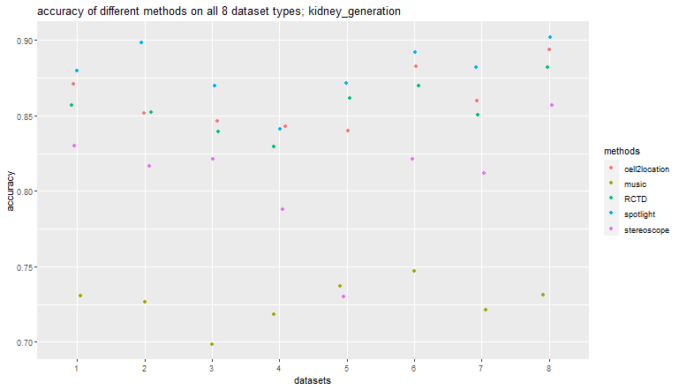
 | spotlight | music | cell2location | RCTD | stereoscope
corr | 0.71990126393 | 0.82038916137 | 0.86797725518 | 0.88177484309 | 0.79672498861
RMSE | 3.6511173637 | 2.879517608 | 2.3286115453 | 2.1621011828 | 2.9927797826
accuracy | 0.89 | 0.75 | 0.88 | 0.87 | 0.82
sensitivity | 0.81 | 0.94 | 0.99 | 0.99 | 0.97
specificity | 0.9 | 0.73 | 0.86 | 0.86 | 0.79
precision | 0.54 | 0.34 | 0.51 | 0.51 | 0.41
F1 | 0.65 | 0.5 | 0.67 | 0.67 | 0.58
artificial_dominant_rare_celltype_diverse
 | spotlight | music | cell2location | RCTD | stereoscope
corr | 0.70891463135 | 0.76434415465 | 0.74375575462 | 0.82363915217 | 0.76845941442
RMSE | 3.3950916375 | 2.9373984936 | 3.0730660259 | 2.52670286 | 2.998227967
accuracy | 0.88 | 0.72 | 0.86 | 0.85 | 0.81
sensitivity | 0.74 | 0.95 | 0.99 | 0.99 | 0.95
specificity | 0.9 | 0.67 | 0.84 | 0.83 | 0.79
precision | 0.6 | 0.37 | 0.55 | 0.54 | 0.47
F1 | 0.66 | 0.53 | 0.71 | 0.7 | 0.63
artificial_regional_rare_celltype_diverse
 | spotlight | music | cell2location | RCTD | stereoscope
corr | 0.75513655325 | 0.76770430673 | 0.72146286768 | 0.81498795204 | 0.76947468047
RMSE | 3.0346231807 | 2.8568963763 | 3.1674862607 | 2.6035555168 | 2.9540594485
accuracy | 0.9 | 0.73 | 0.89 | 0.88 | 0.86
sensitivity | 0.82 | 0.95 | 1 | 0.99 | 0.97
specificity | 0.92 | 0.69 | 0.87 | 0.86 | 0.84
precision | 0.66 | 0.37 | 0.6 | 0.57 | 0.53
F1 | 0.73 | 0.53 | 0.75 | 0.72 | 0.69

pbmc_generation
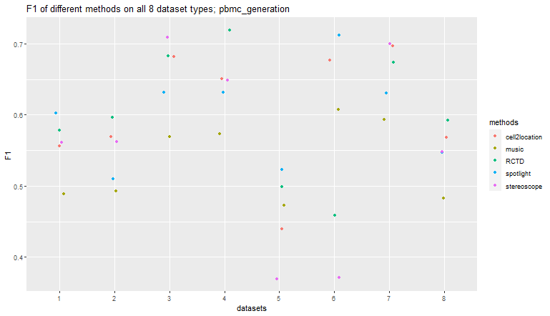
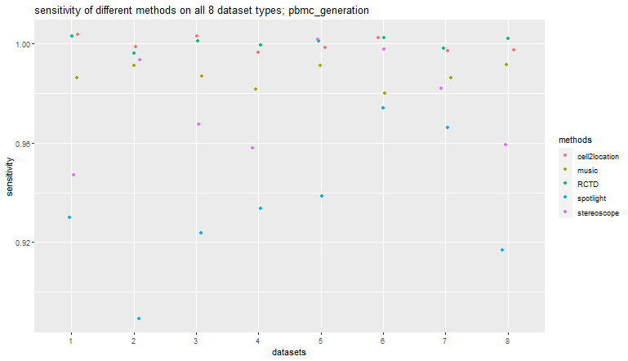
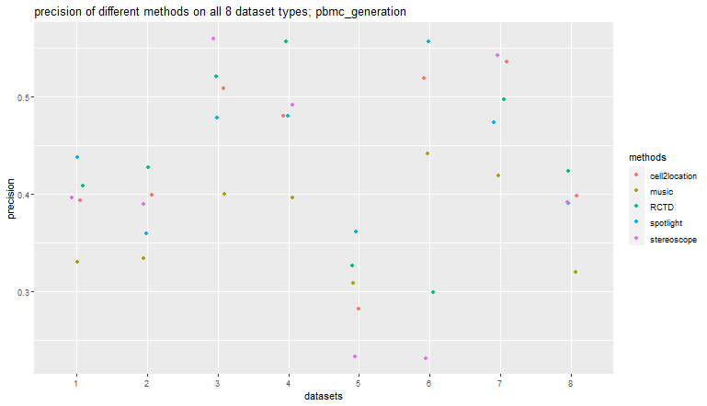
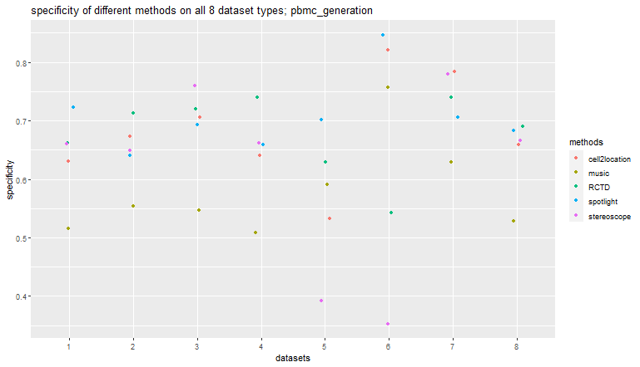
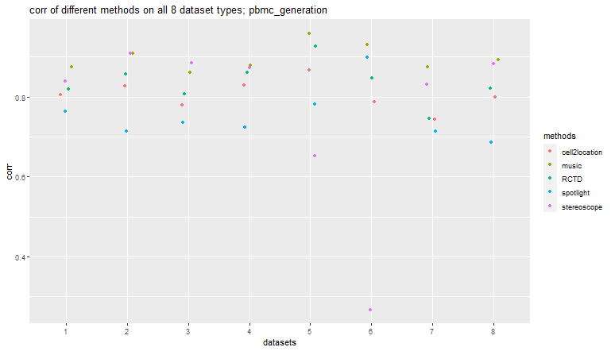
artificial_uniform_distinct
 | spotlight | music | cell2location | RCTD | stereoscope
corr | 0.76384516614 | 0.87459803993 | 0.80440679994 | 0.81929440635 | 0.83881228565
RMSE | 4.2336657109 | 2.9712711396 | 3.4447233656 | 3.4117138879 | 3.3422761421
accuracy | 0.76 | 0.61 | 0.7 | 0.72 | 0.72
sensitivity | 0.93 | 0.99 | 1 | 1 | 0.95
specificity | 0.72 | 0.52 | 0.63 | 0.66 | 0.66
precision | 0.44 | 0.33 | 0.39 | 0.41 | 0.4
F1 | 0.6 | 0.49 | 0.56 | 0.58 | 0.56
artificial_diverse_distinct
 | spotlight | music | cell2location | RCTD | stereoscope
corr | 0.71276479556 | 0.90896018542 | 0.82747703704 | 0.85747472645 | 0.90932890645
RMSE | 5.0683924025 | 2.9659062171 | 3.6189003336 | 3.3525181779 | 3.0994009256
accuracy | 0.69 | 0.63 | 0.73 | 0.76 | 0.71
sensitivity | 0.89 | 0.99 | 1 | 1 | 0.99
specificity | 0.64 | 0.55 | 0.67 | 0.71 | 0.65
precision | 0.36 | 0.33 | 0.4 | 0.43 | 0.39
F1 | 0.51 | 0.49 | 0.57 | 0.6 | 0.56
artificial_uniform_overlap
 | spotlight | music | cell2location | RCTD | stereoscope
corr | 0.73493398005 | 0.86079290318 | 0.77853407858 | 0.8081405387 | 0.88434843555
RMSE | 4.1491063162 | 3.1388175976 | 3.7725322373 | 3.6010991998 | 2.9337930476
accuracy | 0.75 | 0.66 | 0.78 | 0.78 | 0.81
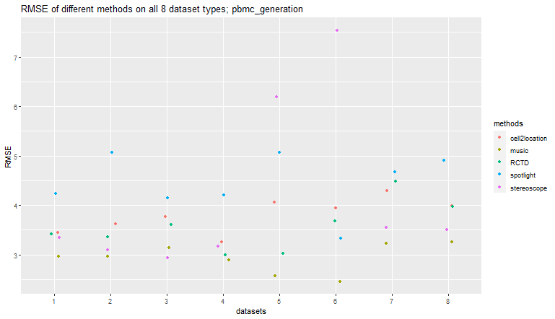
sensitivity | 0.92 | 0.99 | 1 | 1 | 0.97
specificity | 0.69 | 0.55 | 0.71 | 0.72 | 0.76
precision | 0.48 | 0.4 | 0.51 | 0.52 | 0.56
F1 | 0.63 | 0.57 | 0.68 | 0.68 | 0.71
artificial_diverse_overlap
 | spotlight | music | cell2location | RCTD | stereoscope
corr | 0.72356959336 | 0.87836825668 | 0.82901304989 | 0.86103904322 | 0.87212044607
RMSE | 4.1997825179 | 2.885790065 | 3.2628661375 | 2.9977923646 | 3.1655989288
accuracy | 0.73 | 0.63 | 0.73 | 0.8 | 0.74
sensitivity | 0.93 | 0.98 | 1 | 1 | 0.96
specificity | 0.66 | 0.51 | 0.64 | 0.74 | 0.66
precision | 0.48 | 0.4 | 0.48 | 0.56 | 0.49
F1 | 0.63 | 0.57 | 0.65 | 0.72 | 0.65
artificial_dominant_celltype_diverse
 | spotlight | music | cell2location | RCTD | stereoscope
corr | 0.7817605485 | 0.95853119143 | 0.86654809423 | 0.92638246628 | 0.65136160415
RMSE | 5.0655912981 | 2.5726996741 | 4.0534344333 | 3.0268463807 | 6.1987141488
accuracy | 0.74 | 0.66 | 0.6 | 0.69 | 0.48
sensitivity | 0.94 | 0.99 | 1 | 1 | 1
specificity | 0.7 | 0.59 | 0.53 | 0.63 | 0.39
precision | 0.36 | 0.31 | 0.28 | 0.33 | 0.23
F1 | 0.52 | 0.47 | 0.44 | 0.5 | 0.37
artificial_partially_dominant_celltype_diverse
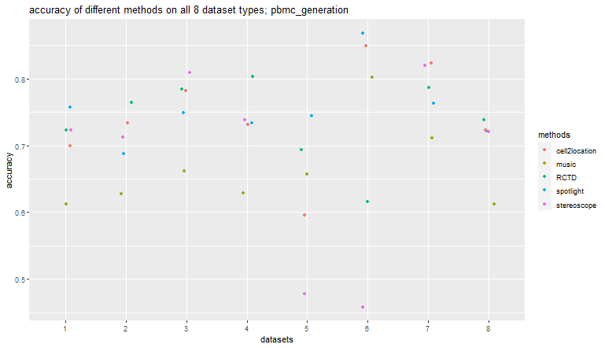
 | spotlight | music | cell2location | RCTD | stereoscope
corr | 0.89812593199 | 0.93092278374 | 0.78697425354 | 0.84740153019 | 0.26657333273
RMSE | 3.3352797815 | 2.4549140742 | 3.9389799956 | 3.6755385548 | 7.5369024154
accuracy | 0.87 | 0.8 | 0.85 | 0.62 | 0.46
sensitivity | 0.97 | 0.98 | 1 | 1 | 1
specificity | 0.85 | 0.76 | 0.82 | 0.54 | 0.35
precision | 0.56 | 0.44 | 0.52 | 0.3 | 0.23
F1 | 0.71 | 0.61 | 0.68 | 0.46 | 0.37
artificial_dominant_rare_celltype_diverse
 | spotlight | music | cell2location | RCTD | stereoscope
corr | 0.71339653081 | 0.8756726382 | 0.7435625018 | 0.74479837059 | 0.8313825092
RMSE | 4.6757705636 | 3.2264140846 | 4.2894656349 | 4.4827555353 | 3.5508166236
accuracy | 0.76 | 0.71 | 0.82 | 0.79 | 0.82
sensitivity | 0.97 | 0.99 | 1 | 1 | 0.98
specificity | 0.71 | 0.63 | 0.78 | 0.74 | 0.78
precision | 0.47 | 0.42 | 0.54 | 0.5 | 0.54
F1 | 0.63 | 0.59 | 0.7 | 0.67 | 0.7
artificial_regional_rare_celltype_diverse
 | spotlight | music | cell2location | RCTD | stereoscope
corr | 0.68597250684 | 0.89257717655 | 0.79985283986 | 0.8206947728 | 0.88347552275
RMSE | 4.9112687651 | 3.252038504 | 3.9906956066 | 3.9784794834 | 3.5110360428
accuracy | 0.72 | 0.61 | 0.72 | 0.74 | 0.72
sensitivity | 0.92 | 0.99 | 1 | 1 | 0.96
specificity | 0.68 | 0.53 | 0.66 | 0.69 | 0.67
precision | 0.39 | 0.32 | 0.4 | 0.42 | 0.39
F1 | 0.55 | 0.48 | 0.57 | 0.59 | 0.55

scc_p5_generation
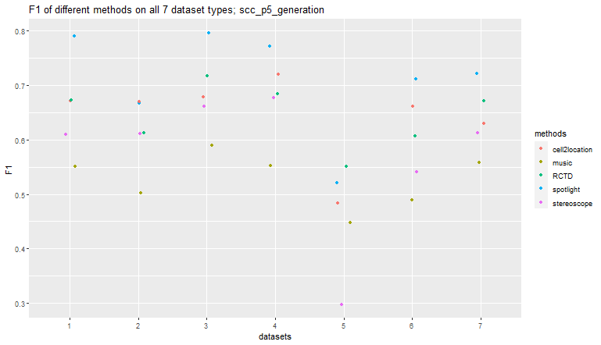
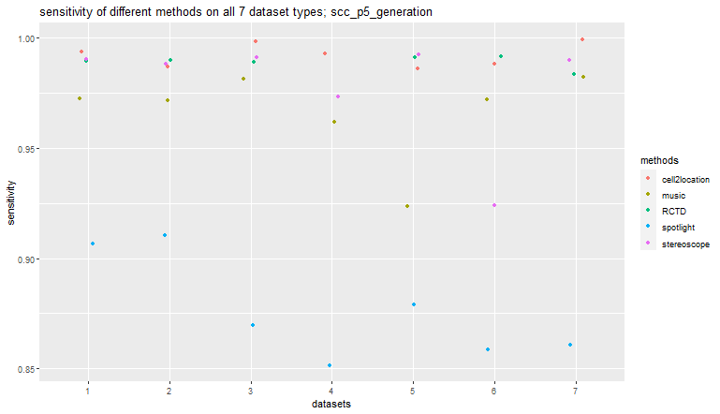
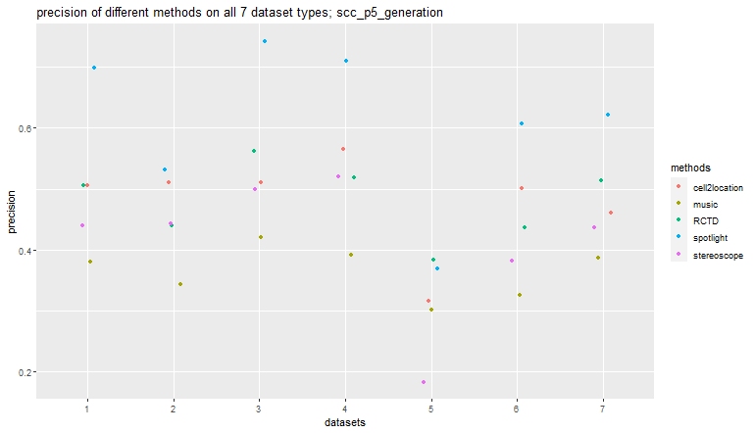
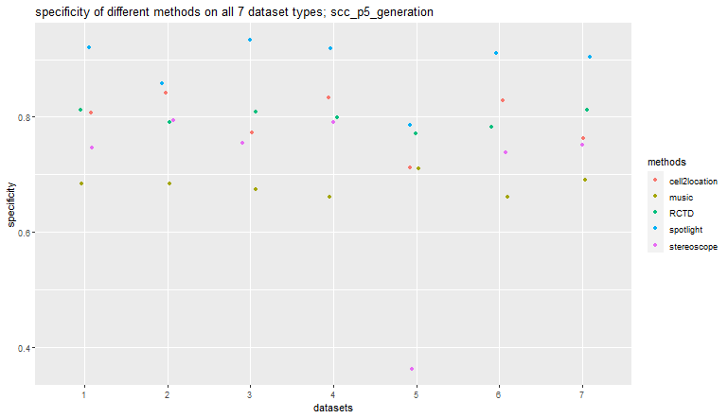
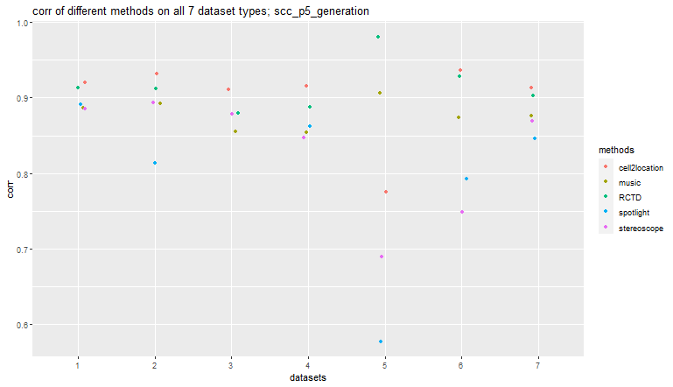
artificial_uniform_distinct
 | spotlight | music | cell2location | RCTD | stereoscope
corr | 0.89150703396 | 0.88612111729 | 0.92038478819 | 0.91328617059 | 0.88503206602
RMSE | 2.3997594549 | 2.2851320159 | 2.0108697884 | 1.9950543803 | 2.3259536261
accuracy | 0.92 | 0.73 | 0.84 | 0.84 | 0.79
sensitivity | 0.91 | 0.97 | 0.99 | 0.99 | 0.99
specificity | 0.92 | 0.68 | 0.81 | 0.81 | 0.75
precision | 0.7 | 0.38 | 0.51 | 0.51 | 0.44
F1 | 0.79 | 0.55 | 0.67 | 0.67 | 0.61
artificial_diverse_distinct
 | spotlight | music | cell2location | RCTD | stereoscope
corr | 0.81347262221 | 0.89183972372 | 0.93152148523 | 0.91189119397 | 0.8936869558
RMSE | 3.372966405 | 2.4326868992 | 1.8671730413 | 1.9406384499 | 2.4488669677
accuracy | 0.87 | 0.72 | 0.86 | 0.82 | 0.82
sensitivity | 0.91 | 0.97 | 0.99 | 0.99 | 0.99
specificity | 0.86 | 0.68 | 0.84 | 0.79 | 0.79
precision | 0.53 | 0.34 | 0.51 | 0.44 | 0.44
F1 | 0.67 | 0.5 | 0.67 | 0.61 | 0.61
artificial_uniform_overlap
 | spotlight | music | cell2location | RCTD | stereoscope
corr | 0.87982963378 | 0.85478940096 | 0.91117119033 | 0.87931466608 | 0.878037019
RMSE | 2.0265029017 | 2.1420167194 | 1.7256127459 | 1.9468895017 | 1.9683404261
accuracy | 0.91 | 0.73 | 0.81 | 0.85 | 0.8
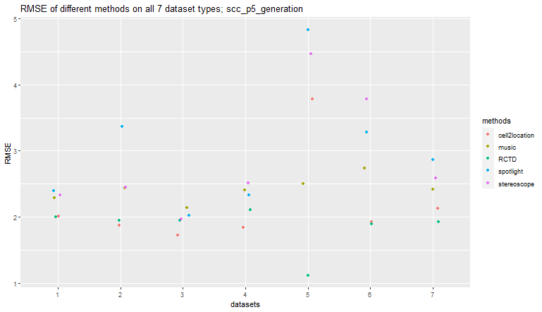
sensitivity | 0.87 | 0.98 | 1 | 0.99 | 0.99
specificity | 0.93 | 0.67 | 0.77 | 0.81 | 0.75
precision | 0.74 | 0.42 | 0.51 | 0.56 | 0.5
F1 | 0.8 | 0.59 | 0.68 | 0.72 | 0.66
artificial_diverse_overlap
 | spotlight | music | cell2location | RCTD | stereoscope
corr | 0.86220298991 | 0.85390373587 | 0.91562063007 | 0.88832459194 | 0.8468736272
RMSE | 2.3338150283 | 2.4044023427 | 1.8393096918 | 2.1120298373 | 2.5104053583
accuracy | 0.91 | 0.72 | 0.86 | 0.83 | 0.83
sensitivity | 0.85 | 0.96 | 0.99 | 0.97 | 0.97
specificity | 0.92 | 0.66 | 0.83 | 0.8 | 0.79
precision | 0.71 | 0.39 | 0.57 | 0.52 | 0.52
F1 | 0.77 | 0.55 | 0.72 | 0.68 | 0.68
artificial_dominant_celltype_diverse
 | spotlight | music | cell2location | RCTD | stereoscope
corr | 0.57695540511 | 0.90659957581 | 0.77548211426 | 0.98066897393 | 0.68973277757
RMSE | 4.8340305344 | 2.4998970625 | 3.7832104728 | 1.1134428981 | 4.4717404332
accuracy | 0.81 | 0.73 | 0.74 | 0.8 | 0.43
sensitivity | 0.88 | 0.92 | 0.99 | 0.99 | 0.99
specificity | 0.79 | 0.71 | 0.71 | 0.77 | 0.36
precision | 0.37 | 0.3 | 0.32 | 0.38 | 0.18
F1 | 0.52 | 0.45 | 0.48 | 0.55 | 0.3
artificial_partially_dominant_celltype_diverse
 | spotlight | music | cell2location | RCTD | stereoscope
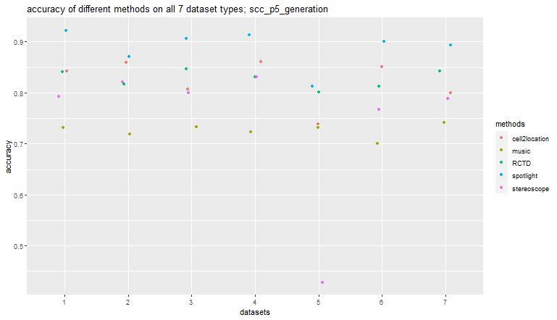
corr | 0.79226756596 | 0.87356150613 | 0.93600120881 | 0.9290325586 | 0.74853712798
RMSE | 3.2787774704 | 2.7350503434 | 1.9229755049 | 1.8929862108 | 3.7812467179
accuracy | 0.9 | 0.7 | 0.85 | 0.81 | 0.77
sensitivity | 0.86 | 0.97 | 0.99 | 0.99 | 0.92
specificity | 0.91 | 0.66 | 0.83 | 0.78 | 0.74
precision | 0.61 | 0.33 | 0.5 | 0.44 | 0.38
F1 | 0.71 | 0.49 | 0.66 | 0.61 | 0.54
artificial_dominant_rare_celltype_diverse
 | spotlight | music | cell2location | RCTD | stereoscope
corr | 0.84599424041 | 0.87661598818 | 0.9135609526 | 0.9033614984 | 0.86984039563
RMSE | 2.8700941508 | 2.414640967 | 2.1297659844 | 1.9274630827 | 2.5915410891
accuracy | 0.89 | 0.74 | 0.8 | 0.84 | 0.79
sensitivity | 0.86 | 0.98 | 1 | 0.98 | 0.99
specificity | 0.9 | 0.69 | 0.76 | 0.81 | 0.75
precision | 0.62 | 0.39 | 0.46 | 0.51 | 0.44
F1 | 0.72 | 0.56 | 0.63 | 0.67 | 0.61

